Ԑ eff calulator
Relative Permittivity - Dielectric Constant Ԑeff Calc Note: dependence on the frequency does not calculate!

Microstrip Transmission Line Ԑ eff calculator |  |  | Microstrip PCB Measure line. The real PCB Stack Up's dielectric constant Ԑ eff calulator

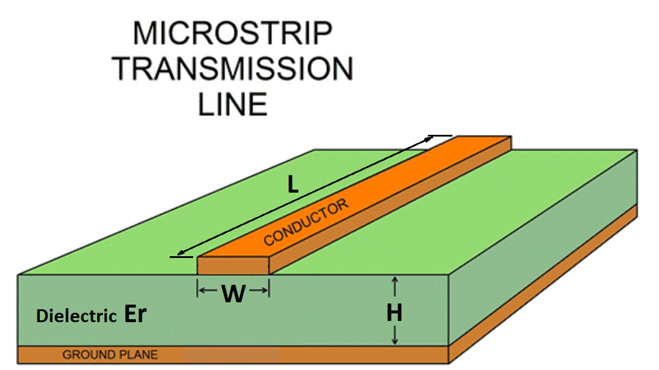
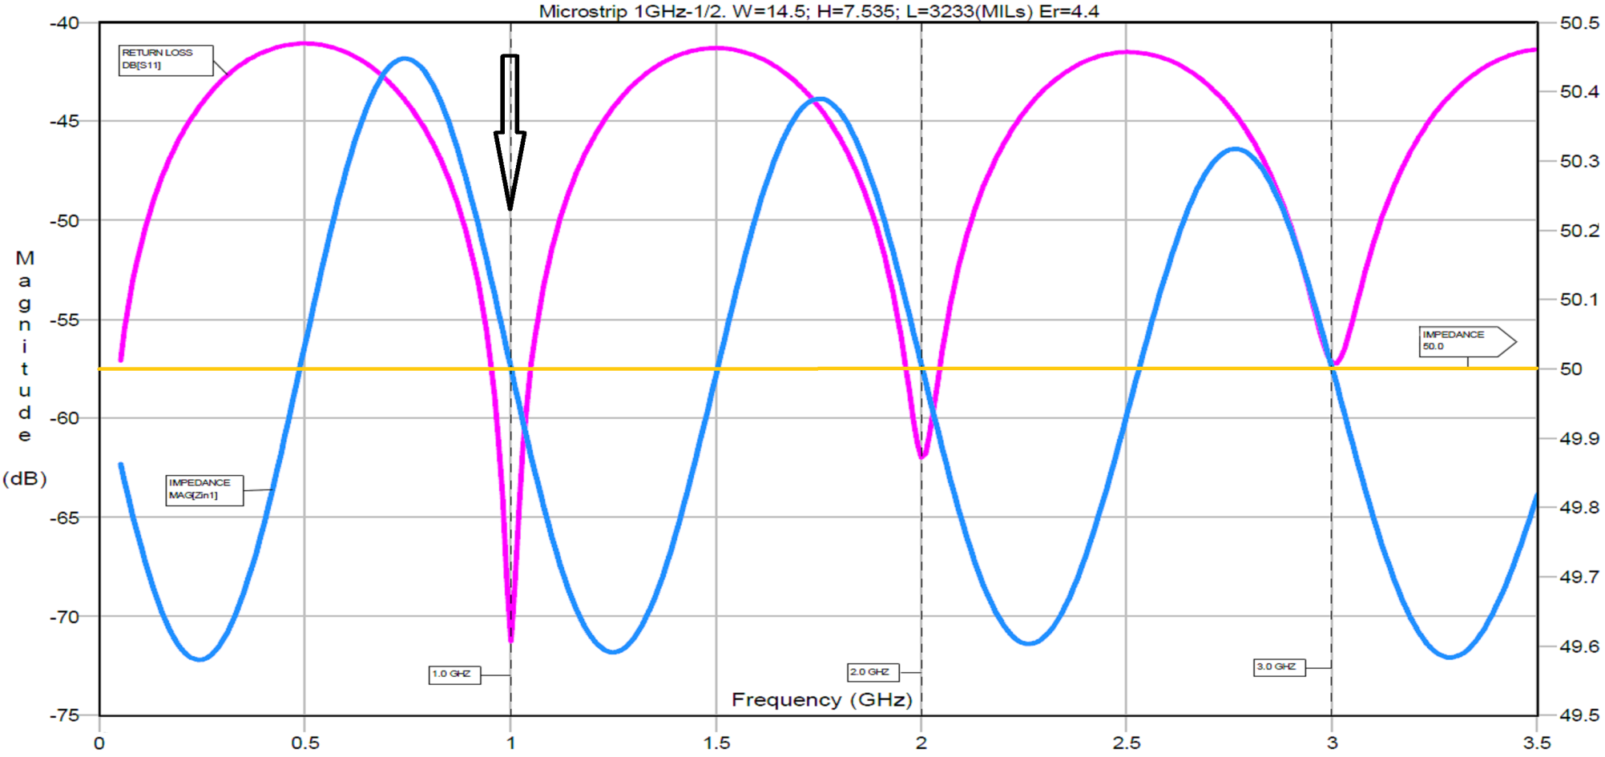

Enter the Dielectric Constant Ԑr > | 4.3 | Ԑr
Enter the Width of Microstrip Line W > | 12 | MILs
Enter the Thickness of Dialectric H > | 5.9 | MILs

W/H Ratio is: | 2 |  | Enter the Length of PCB microstrip line (1/2 λ of wave length) L > |  |  | 600 | MILs
 |  |  | Enter the Frequency of first local Return Loss minimum F > |  |  | 5379 | MHz
If W/H => 1.0 (Old formula) |  |  | The Length of PCB microstrip line (1/2 λ of wave length) L mm is: |  |  | 15.24 | mm
The Dielectric Constant Effective Ԑeff is: | 3.278 | Ԑeff
 |  |  | The dielectric constant effective Ԑeff is: |  |  | 3.3436 | Ԑeff
If W/H => 1.0 (New formula)
The Dielectric Constant Effective Ԑeff is: | 3.278 | Ԑeff
 |  |  |  | MILs / mm calculator
If W/H <= 1.0 |  |  |  | Enter MILs > | 3233 | 82.1184 | mm
The Dielectric Constant Effective Ԑeff is: | 3.349 | Ԑeff |  | Enter mm > | 25 | 984.25 | MILs

Produced by Alex Lapayev

