dB calculator
dB Calculator

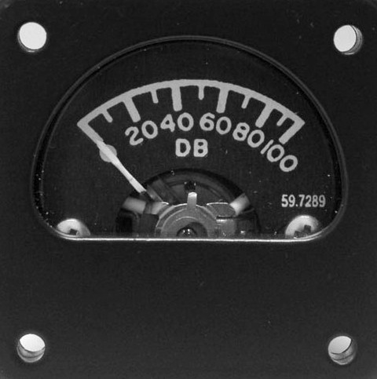
VA Ratio to dB and V Ratio to dBu |  | Ratio to Voltage conversion - (600 Ohms : 1mW) |  |  | Percent (Ratio)
 |  | mV | uV | nV
Enter Ratio > | 0.316228 | Urms |  |  | %
 |  | 244.949 | 244949.156 | 244949155.52 | 31.62
dB/dBu is: | -10 | Uamp |  |  | %% E-3
 |  | 346.41 | 346410.418 | 346410417.83 | 31622.8
Nepers is: | -1.151 | Up-p |  |  | %%% E-6
 |  | 692.82 | 692820.836 | 692820835.66 | 31622800

dB or dBu to VA Ratio |  | dBu to Voltage conversion - (600 Ohms : 1mW) |  |  | Percent (Ratio)
 |  | mV | uV | nV
Enter dB/dBu > | -10 | Urms |  |  | %
 |  | 244.949 | 244948.974 | 244948974.28 | 31.62
VA Ratio is: | 0.31622776602 | Uamp |  |  | %% E-3
 |  | 346.41 | 346410.162 | 346410161.51 | 31622.78
Nepers is: | -1.151 | Up-p |  |  | %%% E-6
 |  | 692.82 | 692820.324 | 692820323.03 | 31622776.6

Power Ratio to dBm |  | Power Ratio (Watts) to dBm conversion - (50 Ohms : 1mW)

Enter Ratio > | 1 | Watts | milli-W | micro-W | nano-W | pico-W | femto-W
 |  | 0 | 1 | 1000 | 1000000 | 1000000000 | 1000000000000
dBm is: | 0 | Urms (V) | Urms (mV) | Urms (uV) | Urms (nV) | Urms (pV) | Urms (fV)
 |  | 0.2 | 223.6 | 223606.8 | 223606797.7 | 223606797750 | 223606797749979

dBm to Power Ratio |  | dBm to Power Ratio (Watts) conversion - (50 Ohms : 1mW)

Enter dBm > | 0 | Watts | milli-W | micro-W | nano-W | pico-W | femto-W
 |  | 0 | 1 | 1000 | 1000000 | 1000000000 | 1000000000000
Power Ratio is: | 1 | Urms (V) | Urms (mV) | Urms (uV) | Urms (nV) | Urms (pV) | Urms (fV)
 |  | 0.2 | 223.6 | 223606.8 | 223606797.7 | 223606797750 | 223606797749979

Produced by Alex Lapayev

